Practica
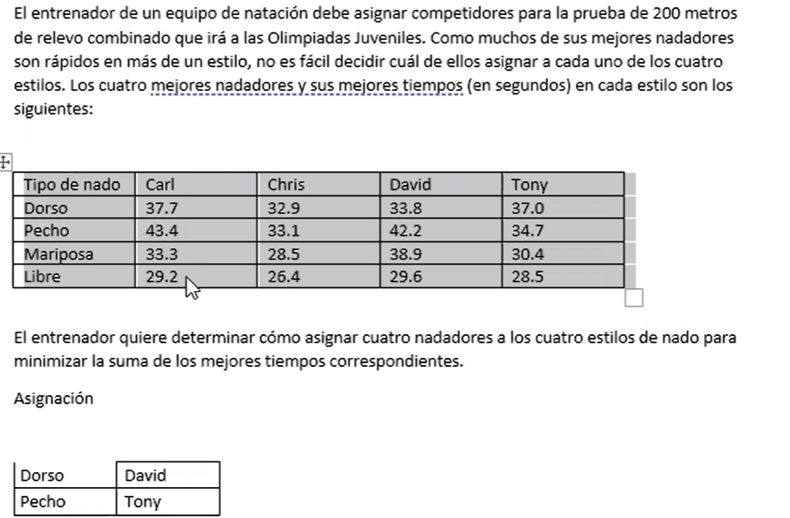

Mariposa | Chris
Libre | Carl

